Sheet1
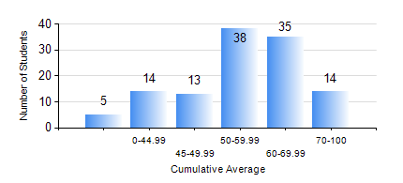
 |  |  | KWAME NKRUMAH UNIVERSITY OF SCIENCE AND TECHNOLOGY, KUMASI Department of Agricultural and Biosystems Engineering

 |  |  | BSC. AGRICULTURAL ENG.

 |  |  | COMPREHENSIVE RECORD OF EXAMINATION RESULTS

 |  |  | RESULTS OF YEAR 1 FIRST SEMESTER, 2023/2024 ACADEMIC YEAR

 | Sn | Course Code |  | Course Name | Credit Hours | Min. Mark | Max. Mark | Avg. Mark | Std. Dev. | No. Passed | No. Trailed | No. (Df) | No. (I) | No. (I*) | No. Tagged(I,I*,Df) | Total
 | 0. |  |  |  |  |  |  | 0 | 0 | 0 | 0 | 0 | 0 | 0 | 0 | 3
 | 1. | AE 153 |  | AGRIC. METEOROLOGY AND CLIMATOLOGY | 2 | 0 | 81 | 52 | 15.83 | 105 | 11 | 0 | 0 | 0 | 0 | 116
 | 2. | CE 155 |  | ENVIRONMENTAL STUDIES | 2 | 0 | 83 | 56 | 14.73 | 110 | 6 | 0 | 0 | 0 | 0 | 116
 | 3. | EE 151 |  | APPLIED ELECTRICITY | 3 | 0 | 89 | 52 | 16.9 | 100 | 16 | 0 | 0 | 0 | 0 | 116
 | 4. | ENGL 157 |  | COMMUNICATION SKILLS I | 2 | 0 | 81 | 55 | 14.72 | 104 | 12 | 0 | 0 | 0 | 0 | 116
 | 5. | MATH 151 |  | ALGEBRA | 4 | 0 | 92 | 64 | 16.42 | 109 | 7 | 0 | 0 | 0 | 0 | 116
 | 6. | ME 159 |  | TECHNICAL DRAWING | 2 | 0 | 73 | 53 | 12.93 | 109 | 7 | 0 | 0 | 0 | 0 | 116
 | 7. | ME 195 |  | ENGINEERING TECHNOLOGY I | 2 | 0 | 78 | 56 | 14.75 | 110 | 6 | 0 | 0 | 0 | 0 | 116

